1. Title Page
[Project Name]

Project Name: Grocery Basket Analysis
Date: 16/ 05/ 2024
Analyst Name: Mae Shahvirdi

Contents: | Data Citation
Population Flow | “The Instacart Online Grocery Shopping Dataset 2017”, Accessed from www.instacart.com/datasets/grocery-shopping-2017 via Kaggle on [date].
Consistency checks | Customer and price data was fabricated for the purposes of this analysis
Wrangling steps
Column derivations
Visualizations
Recommendations

2. Population Flow
 | Title page

Population flow

Exclusion flag
Condition: max_order < 5
Obervations to be removed: 1440295
Final total count of order_products_all: 32404859

Orders_products_combined
Orders_products_merged
Orders_products_all

Total: 32404859
Total:
Total: 32404859
32434489

1.) The grey boxes in the first row of the population flow represent the original data sets as they were when you downloaded them. In the Total fields you need to add the count of the rows when you imported the data set into Jupyter.
2.) The second row of boxes (coloured) represents the data sets after you manipulated them, e.g., removed missing values and duplicates. In the Total fields you need to add the count of the rows after conducting these operations. This offers a visual oveview of how the data flows throughout the data consistency checks.
3.) The third row, where also the arrows are coloured, represents the merges you performed between the datasets. In the Total fields you need to add the count of the rows in the merged datasets, so that you end up with the final dataset (in the red box). Keep in mind the final dataset should be without exclusions (based on the exclusion flag).

3. Consistency checks
 |  |  |  | Title page
Consistency checks

Dataset | Missing values | Missing values treatment | Duplicates
orders | column 'days_since_prior_order' had 206209 missing values | Kept, since they represent the customers who don't have any prior orders, a column was created 'new_customer' that has a boolean value for this group | no duplicates
products | column 'product_name ,16 items' | removed | 5 duplicates / Removed
orders_products_prior | No missing values | No missing values | no duolicates

4. Wrangling steps
 |  |  |  | Title page
Wrangling steps

Columns dropped | Columns renamed | Columns' type changed | Comment/Reason
eval sat |  |  | no use for analysis
 | order_dow was renamed as ''orders_day_of_week' |  | the reason for rename was due to unclearness
 |  | user_id | changed to string (no calculating value )
 | First Name' to 'first_name' | first_name | to be correct and uniformed/ changed to 'str' (was mixed type)
 | 'Surnam' : 'family_name' |  | to be correct and uniformed
 | Gender' : 'gender' |  | to be correct and uniformed
 | STATE' : 'state' |  | to be correct and uniformed
 | Age' : 'age' |  | to be correct and uniformed
 | fam_status' : 'marital_statues' |  | to be correct and uniformed
 |  | order_id | changed to string (no calculating value )
 |  | product_id | changed to string (no calculating value )
 |  | aisle_id | changed to string (no calculating value )
 |  | department_id | changed to string (no calculating value )
first_name |  |  | due to data privecy regulation
family_name |  |  | due to data privecy regulation

5. Column derivations
 |  |  |  |  | Title page

Column derivations and aggregations

In this tab you should add tables below that the frequences of flags/label variables that you produced after deriving them. NB: don't do this for continuous variables, only for flags.
Dataset | New column | Column/s it was derived from | Conditions
orders | new customer' | days_since_prior_order' | when the client is a new customer and the value for that is True
orders_products_merged.pkl | price_range_loc | price | ords_prods_merge.loc[ords_prods_merge['prices'] > 15, 'price_range_loc'] = 'High-range product', ords_prods_merge.loc[(ords_prods_merge['prices'] <= 15) & (ords_prods_merge['prices']> 5), 'price_range_loc'] = 'Mid-range product',ords_prods_merge.loc[ords_prods_merge['prices']<= 5, 'price_range_loc'] = 'Low_range product'
orders_products_merged.pkl | busiest_day | "orders_day_of_week" | for value in ords_prods_merge["orders_day_of_week"]: if value == 0: result.append("Busiest day") elif value == 4: result.append("Least busy") else: result.append("Regularly busy"
orders_products_merged.pkl | busiest_days | "orders_day_of_week" | for value in ords_prods_merge["orders_day_of_week"]: if value == 0 or value == 1: result_2.append("Busiest days") elif value == 4 or value == 3: result_2.append("Slowest days") else: result_2.append("Regularly busy")
orders_products_merged.pkl | busiest_period_of_day | order_hour_of_day | for value in ords_prods_merge['order_hour_of_day']: if value in [10, 11 ,14, 15, 13, 12, 16, 9]: result.append('Most orders') elif value in [6, 0, 1, 5, 2, 4, 3, 23]: result.append('Fewest orders') else: result.append('Average orders')
orders_products_merged_derived_downsized.pkl | loyalty_flag | max_order | ords_prods_merge.loc[ords_prods_merge['max_order'] > 40, 'loyalty_flag'] = 'Loyal customer' ords_prods_merge.loc[(ords_prods_merge['max_order'] <= 40) & (ords_prods_merge['max_order'] > 10), 'loyalty_flag'] = 'Regular customer' ords_prods_merge.loc[ords_prods_merge['max_order'] <= 10, 'loyalty_flag'] = 'New customer'
orders_products_merged_derived_downsized.pkl | spending_flag | mean_product_price | ords_prods_merge.loc[ords_prods_merge['mean_product_price'] < 10, 'spending_flag'] = 'Low spender'ords_prods_merge.loc[ords_prods_merge['mean_product_price'] >= 10, 'spending_flag'] = 'High spender'
orders_products_merged_derived_downsized.pkl | median_days_since_prior_order | user_id and days_since_prior_order | ords_prods_merge['median_days_since_prior_order'] = ords_prods_merge.groupby(['user_id'])['days_since_prior_order'].transform(np.median)
orders_products_merged_derived_downsized.pkl | order_frequency | median_days_since_pror_order | ords_prods_merge.loc[ords_prods_merge['median_days_since_prior_order'] > 20, 'frequency_flag'] = 'Non-frequent customer' ords_prods_merge.loc[(ords_prods_merge['median_days_since_prior_order'] <= 20) & (ords_prods_merge['median_days_since_prior_order'] > 10), 'frequency_flag'] = 'Regular customer' ords_prods_merge.loc[ords_prods_merge['median_days_since_prior_order'] <= 10, 'frequency_flag'] = 'Frequent customer'
orders_products_customers_merged.pkl | region | state | northeast_states = ['Maine','New Hampshire','Vermont','Massachusetts','Rhode Island','Connecticut','New York','Pennsylvania','New Jersey'] df_big.loc[df_big['State'].isin(northeast_states),'regions']= 'Northeast] midwest_states= [ 'Wisconsin','Michigan','Illinois','Indiana','Ohio','North Dakota','South Dakota','Nebraska','Kansas','Minnesota','Iowa','Missouri'] df_big.loc[df_big['State'].isin(midwest_states),'regions']= 'Midwest' south_states = ['Delaware','Maryland','District of Columbia','Virginia','West Virginia','North Carolina','South Carolina','Georgia','Florida','Kentucky','Tennessee','Mississippi','Alabama','Oklahoma','Texas','Arkansas','Louisiana'] df_big.loc[df_big['State'].isin(south_states),'regions']= 'South' west_states = ['Idaho','Montana','Wyoming','Nevada','Utah','Colorado','Arizona','New Mexico','Alaska','Washington','Oregon','California','Hawaii'] df_big.loc[df_big['State'].isin(west_states),'regions']= 'West'
orders_products_customers_merged.pkl | age_group | age | age_stats = pd.Series({ 'count': 3.240486e+07, 'mean': 4.946527e+01, 'std': 1.848558e+01, 'min': 1.800000e+01, '25%': 3.300000e+01, '50%': 4.900000e+01, '75%': 6.500000e+01, 'max': 8.100000e+01 }) young_range = (age_stats['min'], age_stats['25%']) adult_range = (age_stats['25%'], age_stats['50%']) middle_aged_range = (age_stats['50%'], age_stats['75%']) senior_range = (age_stats['75%'], age_stats['max'])instacart.loc[instacart['age'] < 33, 'age_group'] = 'young_adult' instacart.loc[(instacart['age'] >= 33) & (instacart['age'] < 49), 'age_group'] = 'adult' instacart.loc[(instacart['age'] >= 49) & (instacart['age'] < 65), 'age_group'] = 'Middle_aged' instacart.loc[instacart['age'] >= 65, 'age_group'] = 'Senior'
orders_products_customers_merged. Pkl | income_type | income | income_stats = pd.Series({ 'count': 3.240486e+07, 'mean': 9.943773e+04, 'std': 4.305727e+04, 'min': 2.590300e+04, '25%': 6.700400e+04, '50%': 9.661800e+04, '75%': 1.279120e+05, 'max': 5.939010e+05 }) low_income_range = (income_stats['min'], income_stats['25%']) average_income_range = (income_stats['25%'], income_stats['75%']) high_income_range = (income_stats['75%'], income_stats['max']) print("Low Income range:", low_income_range) print("Average Income range:", average_income_range) print("High Income range:", high_income_range)instacart.loc[instacart['income'] < 67004, 'income_type'] = 'low_income' instacart.loc[(instacart['income'] >= 67004) & (instacart['income'] < 127912), 'income_type'] = 'average_income' instacart.loc[instacart['income'] >= 127912, 'income_type'] = 'high_income' | There are some outliers here which can effect the grouping: Lower bound for potential outliers: -24358.0 Upper bound for potential outliers: 219274.0 Potential outliers present: True
orders_products_customers_merged. Pkl | department_category | department_id | instacart.loc[instacart['department_id'].isin(['4', '16', '19', '7', '1']), 'department_category'] = 'High' instacart.loc[instacart['department_id'].isin(['13', '3', '15', '20', '9', '17', '12', '14', '11', '18']), 'department_category'] = 'Medium' instacart.loc[instacart['department_id'].isin(['6', '5', '8', '21', '2', '10']), 'department_category'] = 'Low' | Categorizing into departments doesn't make sense; it is better to rename the categories in a more divided way.
orders_products_customers_merged. Pkl | n_dependants | dependant_number | instacart.loc[instacart['n_dependants'] == 0, 'dependant_number'] = 'none' instacart.loc[(instacart['n_dependants'] == 1) & (instacart['n_dependants'] == 2), 'dependant_number'] = 'average' instacart.loc[instacart['n_dependants'] == 3, 'dependant_number'] = 'high'

6. Visualizations
Title page

Visualisations

In this tab you should include all the visualtions from Exercises 4.9 and 4.10, alongside the questions from the project brief that they answer. Include any commentary on the relationship between different variables.

● The sales team needs to know what the busiest days of the week and hours of the day are (i.e., the days and times with the most orders) in order to schedule ads at times when there are fewer orders.
● They also want to know whether there are particular times of the day when people spend the most money, as this might inform the type of products they advertise at these times.
● Instacart has a lot of products with different price tags. Marketing and sales want to use simpler price range groupings to help direct their efforts.
● Are there certain types of products that are more popular than others? The marketing and sales teams want to know which departments have the highest frequency of product orders.

Busiest days of the week
Busiest hour of the day


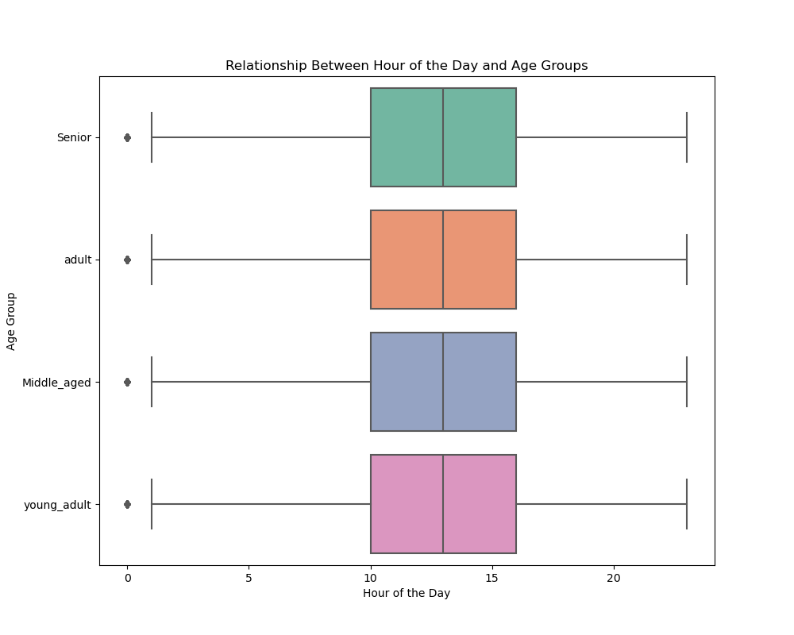


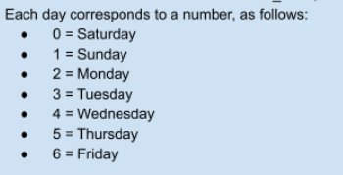

According to this chart, Saturday and Sunday emerge as the busiest days of the week.
the marketing team could capitalize on weekend traffic by strategically scheduling promotions, launching targeted campaigns, or optimizing ad placements to maximize engagement and drive sales during these peak periods.
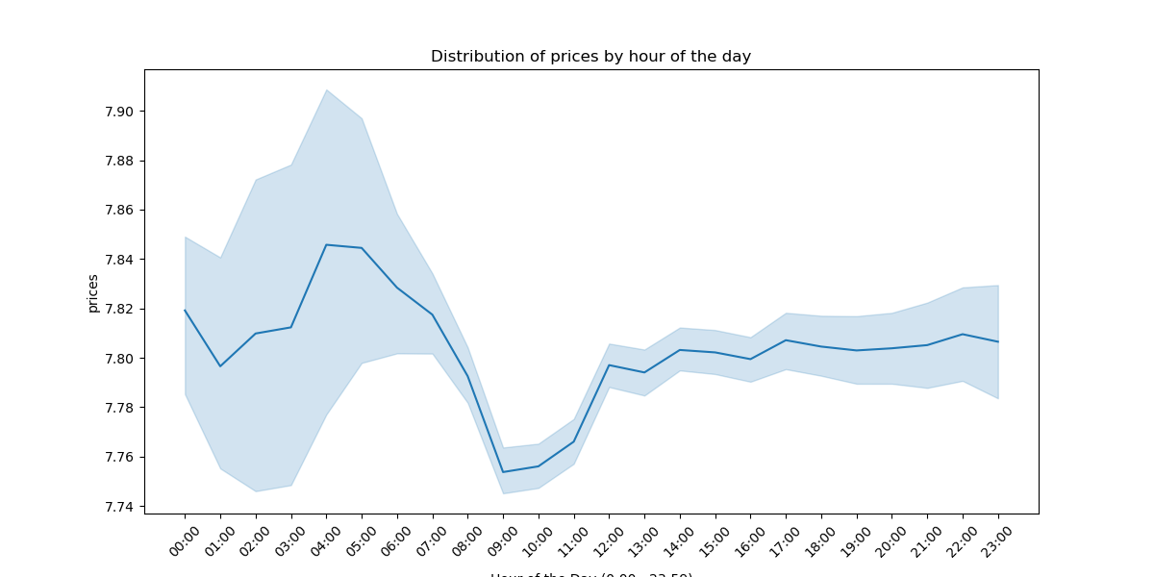

Analysis of the three charts reveals a consistent pattern: peak activity occurs between 10 AM and 4 PM across all age groups. Therefore, advertising during these hours is optimal, while avoiding nighttime placements for a more seamless user experience during relaxation periods.
However, there's an interesting distinction in the price distribution throughout the day. The highest-priced items are predominantly purchased between 3 AM and 6 AM, warranting further investigation.


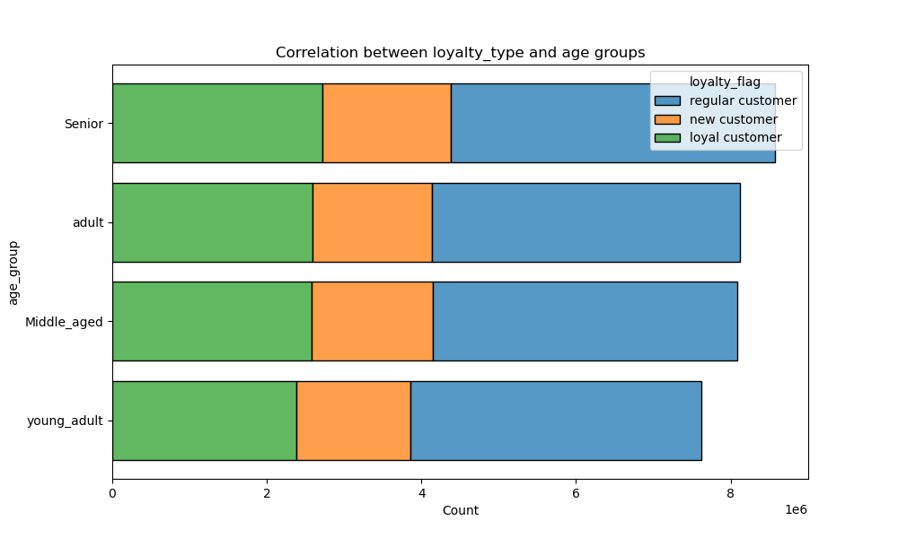
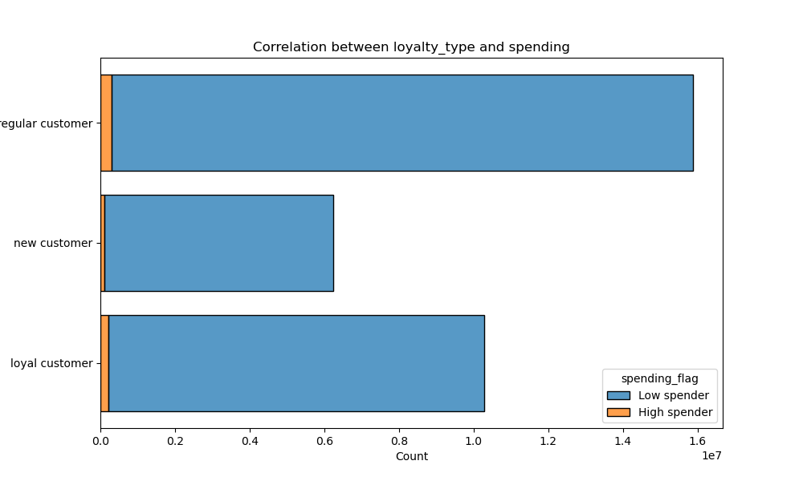

As evident from the charts, the number of regular customers surpasses the other two types, and the distribution of customer types remains consistent across different age groups. Additionally, it's notable that the majority of spenders fall into the 'low spenders' category. These insights indicate that our customer base is predominantly composed of regular shoppers, with a consistent distribution of customer types across age demographics. Furthermore, the prevalence of low spenders suggests potential opportunities for targeted marketing strategies aimed at increasing average spend per customer.

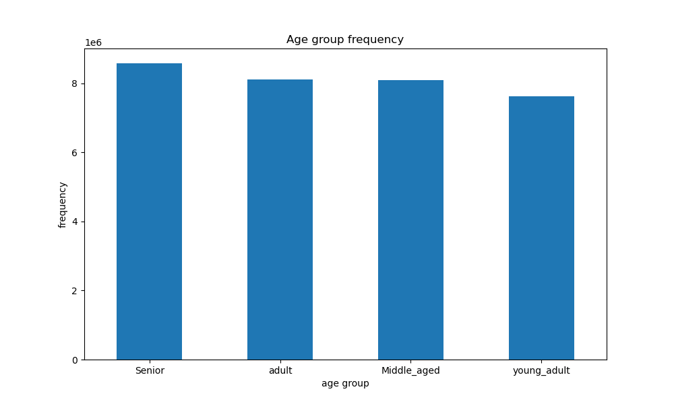

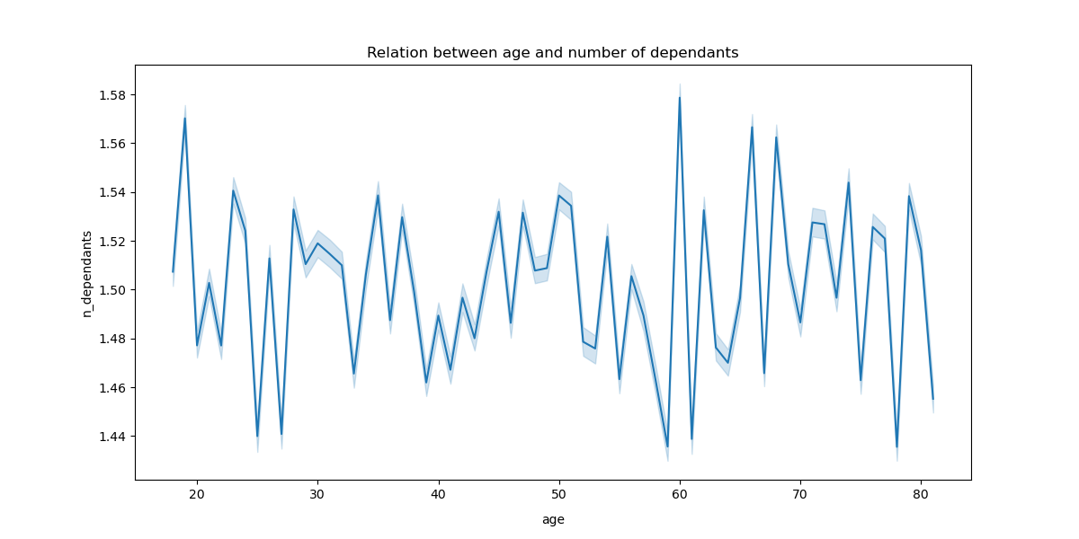

The charts show that the senior age group slightly outweighs the others, though the difference doesn't appear significant. Additionally, individuals aged 40 to 80 exhibit higher incomes compared to those under 40. However, the relationship between the number of dependents across different ages lacks clarity, as the range of dependents spans from 0 to 3.

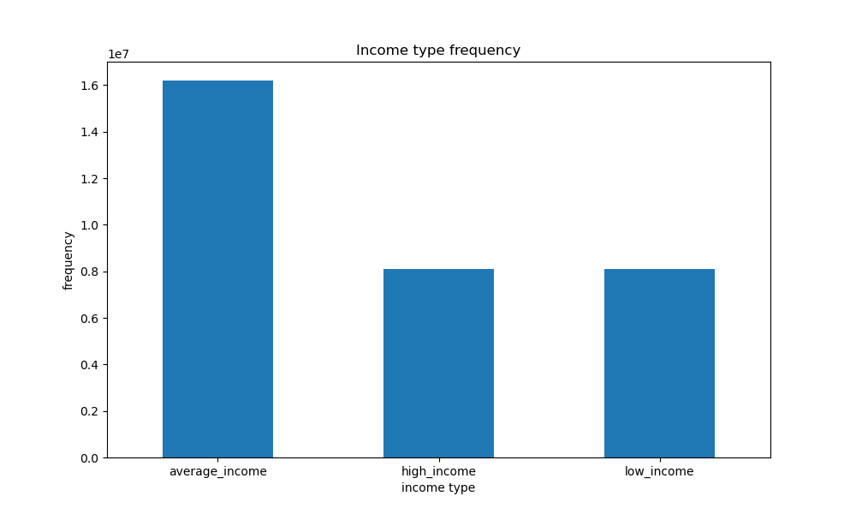
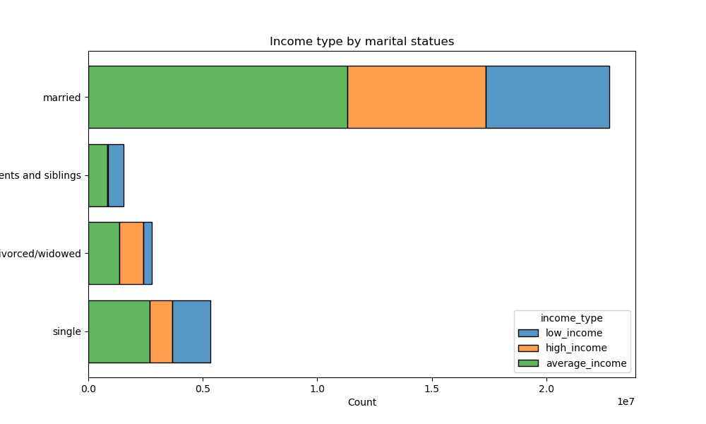
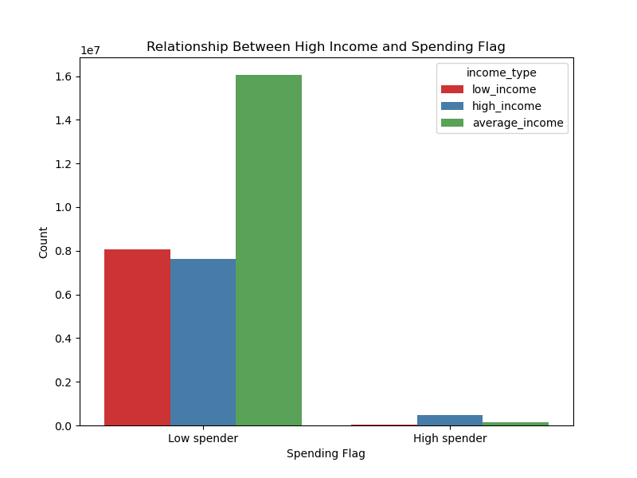

Customers with average income are nearly twice as numerous as those in other income brackets, with the majority being married. Conversely, the smallest proportion of customers belongs to the group living with their parents and siblings. It's reasonable to assume that these individuals have lower incomes, given their dependence on family and their likely younger age demographic.
Predictably, individuals with average incomes predominantly fall into the category of low spenders, which constitutes the majority of our customer base. In contrast, high spenders represent a much smaller segment of the population. These findings underscore the importance of understanding income distribution and spending habits among our customer demographics, informing targeted marketing strategies and product offerings.

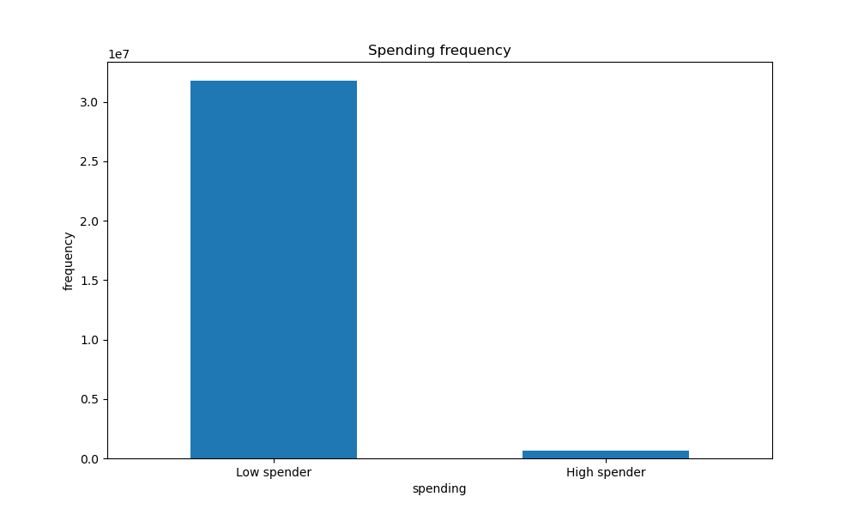
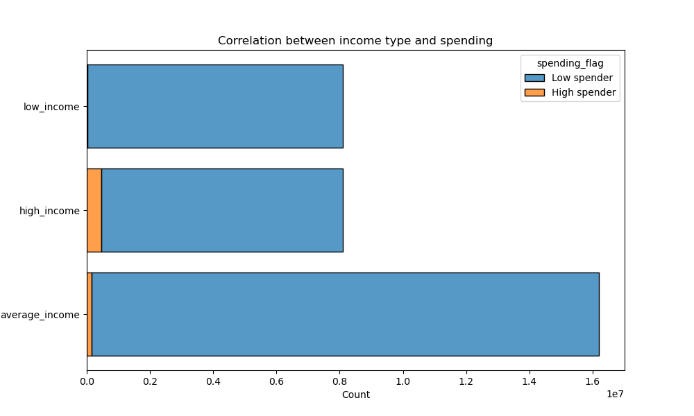

This chart also confirms the data above regarding the dominance of the 'low spender' and 'average income' groups

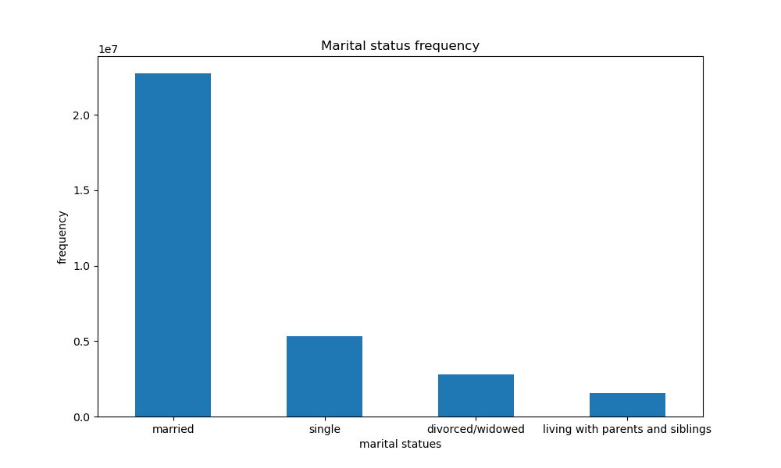
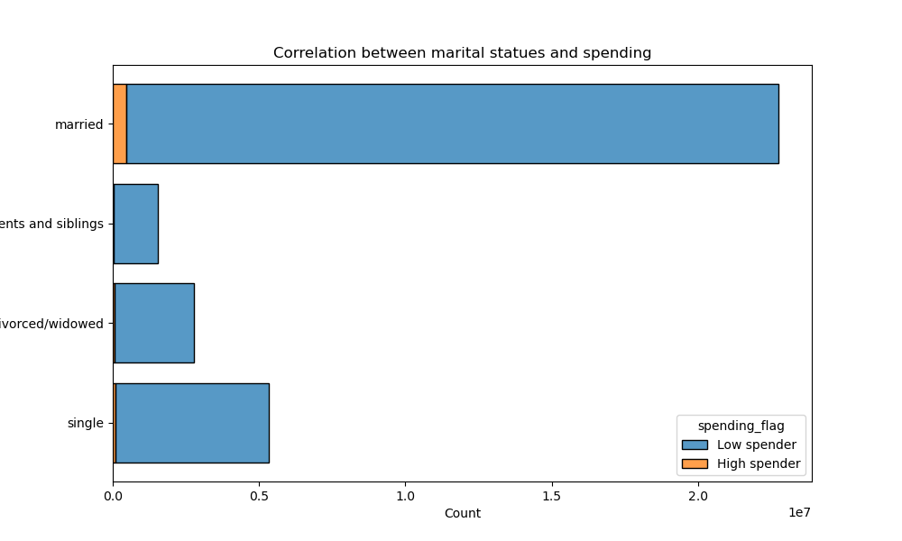
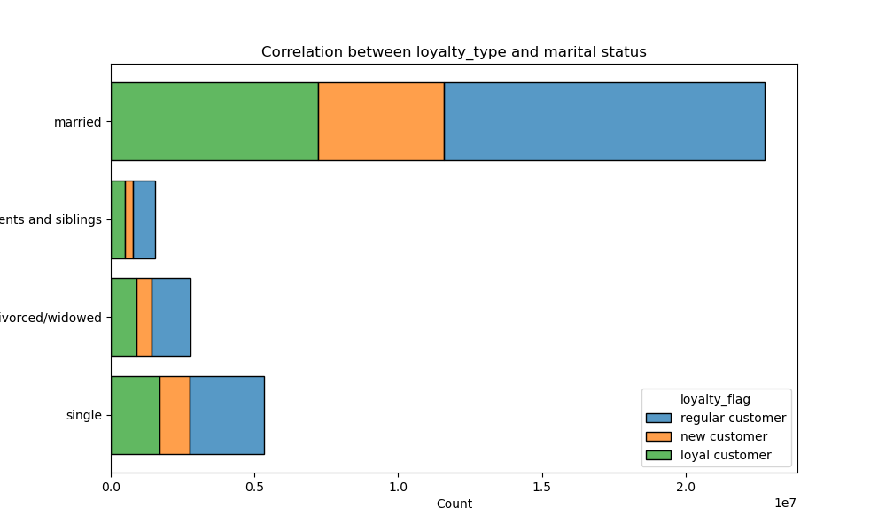

These charts also confirm the data above, with married customers having the highest count, followed by other correlations that follow a logical pattern.

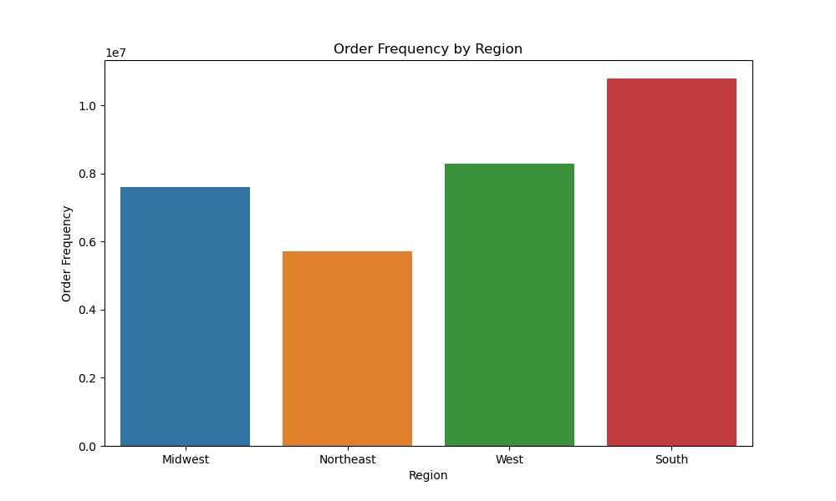
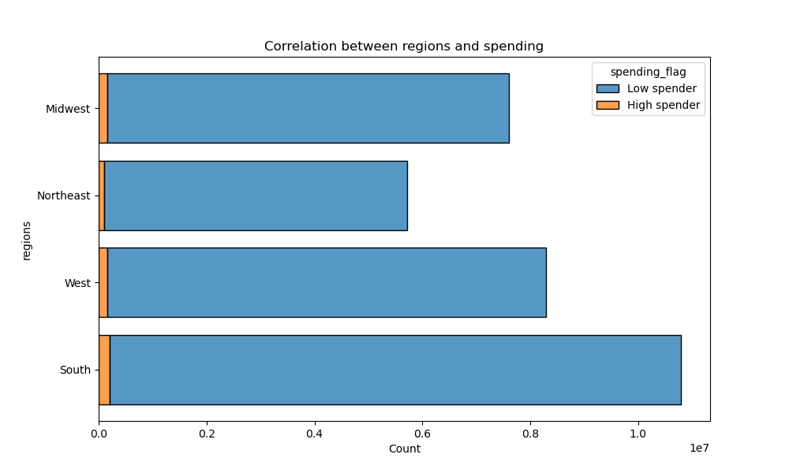

South has more share that the other regions and the distribution of low spender and high spenders in different regions, emphasis a somehow similar shopping pattern in different regions.

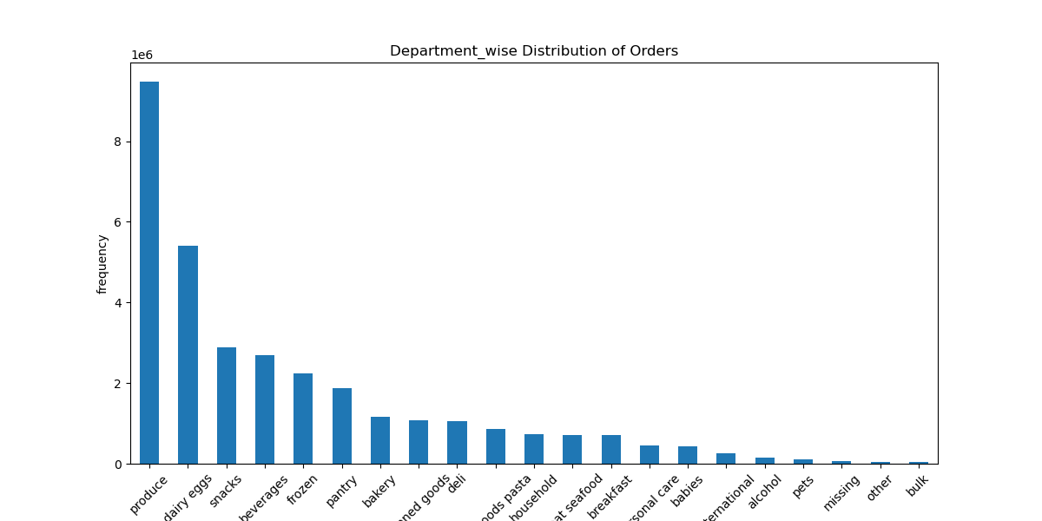
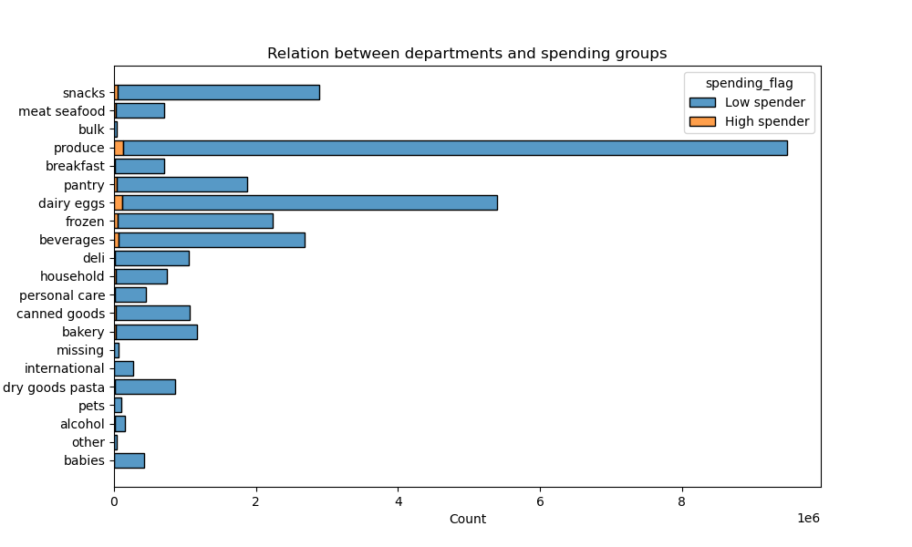

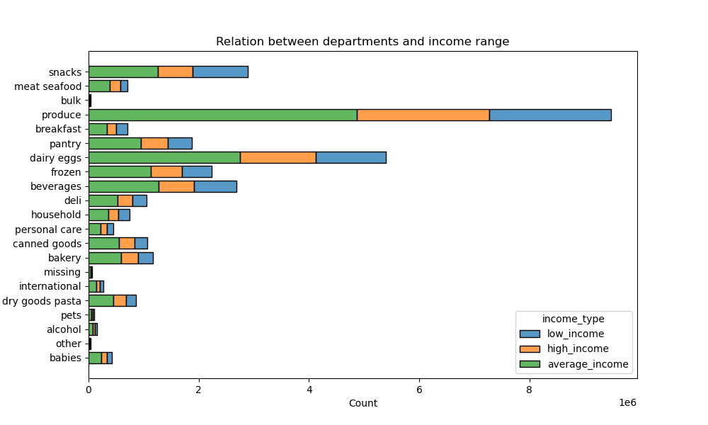
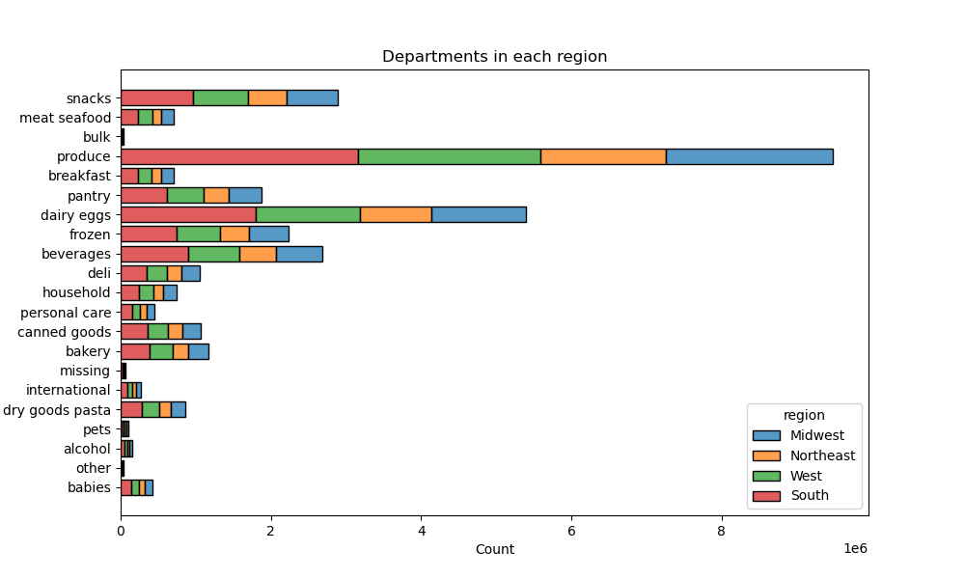

The category 'produce' has the highest sales, and the chart is skewed, with some product sales being very small in comparison. The relationship between departments and other variables, such as income range, regions, and spending groups, appears logical and predictable.
The skewed nature of the chart suggests that there may be significant variations in sales across different products, with some performing exceptionally well and others lagging behind.

7. Recommendations
 |  | Title page

Recommendations

In this tab you should include any recommendations you would made to Instcart in terms of their marketing strategy based on the questions posed in the brief. Every key question has been covered in the Tasks of the Exercises - here you need to add an item - a visualisation or table/crosstable that is showing the answer in the data, acompanied by a comment from you. Please, list the questions below and add the answer underneath.

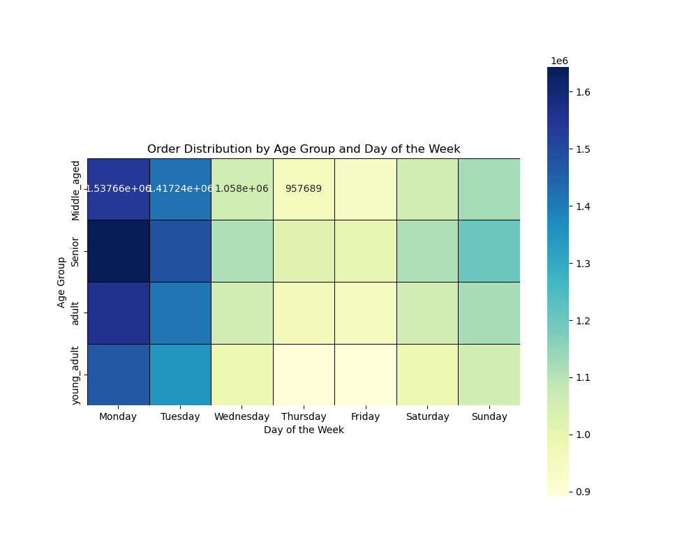
Question | Answer
The sales team needs to know what the busiest days of the week and hours of the day are (i.e., the days and times with the most orders) in order to schedule ads at times when there are fewer orders. | The explanations on the 'visualization' tab are to be followed. However, I want to add another visualization here, which needs further examination and checking with a senior data analyst. It was generated in task 4.10. It seems that there is a mistake in the way it represents data, or the order distribution dos't have corelation with order_number...
Are there certain types of products that are more popular than others? | Departments' groupings have overlapping points, and some groups are not defined comprehensively, such as 'produce' or 'bulk' or... I strongly suggest taking a deeper look at them and grouping them in more logical ways.

Others | Explanation
Outliers | There are some outliers in income categories, which are marked in task 4.10. The decision of whether to remove them or not should be made, as their effect on our income type categories might be more significant than expected and could alter the data.

